Colpitts Calculator
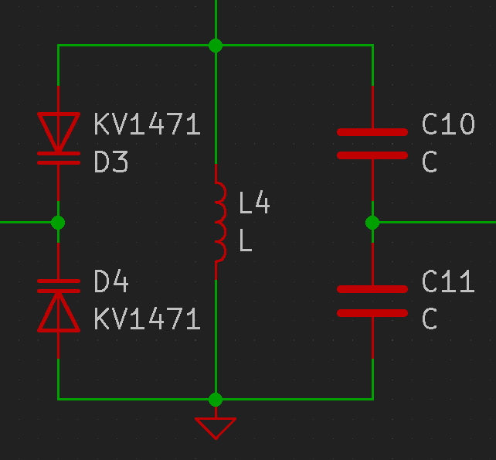
1x Varicap Min Capacitance (F) | 1x Varicap Max Capacitance | 2x Series Varicap Min Cap (F) | 2x Series Varicap Max (F) | Varicap: SMV1413
0 | 0 | 0 | 0

Supply Voltage | DAC Resolution (bits) | DAC Resolution (points) | Voltage Steps | 2x Series Varicap DAC ΔC Steps (F)
1.5 | 8 | 256 | 0.005859375 | 0

Inductor Fixed | Upper Frequency (Hz) | LC Total Req'd Capacitance (F) | 2x Series Capacitor Capacitance (F) | 1x Capacitor Capacitance (F)
5.6e-09 | 224000000 | 1e-10 | 1e-10 | 2e-10
 | Center Frequency (Hz)
 | 222916803.78968406
 | Lower Frequency (Hz) | Bandwidth (Hz) | Q Factor
 | 221838845.58843082 | 2161154.411569178 | 103.15
 | ΔF Tuning Steps (Hz)
 | 8442.0094201921

Inductor Nominal (H) | Inductor Tolerance (+/- nH) | Capacitor Nominal (F) | Capacitor Tolerance (+/- %)
5.6e-09 | 0.1 | 2e-10 | 1%
 | Upper Frequency (Hz)
 | 237259116.18000054
 | Center Frequency (Hz)
 | 224560099.3172662
 | Lower Frequency (Hz) | Bandwidth (Hz) | Q Factor
 | 212540782.48830283 | 24718333.691697717 | 9.0847587915
 | ΔF Tuning Steps (Hz)
 | 96555.9909831942

Target Capacitance (F) | Bottom Capacitor (F) | Top Capacitor (F)
1e-10 | 1e-09 | 1e-10

Common Emitter Calculator
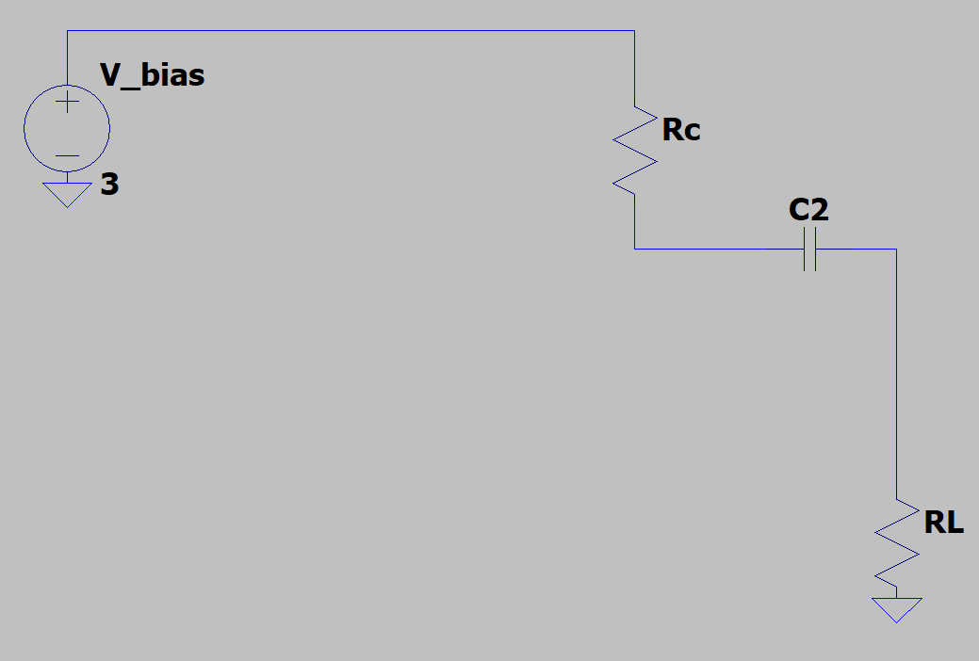
$$V_{R_Load_Max}=\left(V_{supply}−V_{C_{out}} \right)−\frac{R_{load}}{R_{C}+R_{load}}$$
Transistor Parameters
Name | Collector-Emitter Breakdown Voltage (V) | Collector-Emitter Cutoff Current (A) | Collector-Base Cutoff Current (A) | Emitter-Base Cutoff Current (A) | DC Current Gain |  | 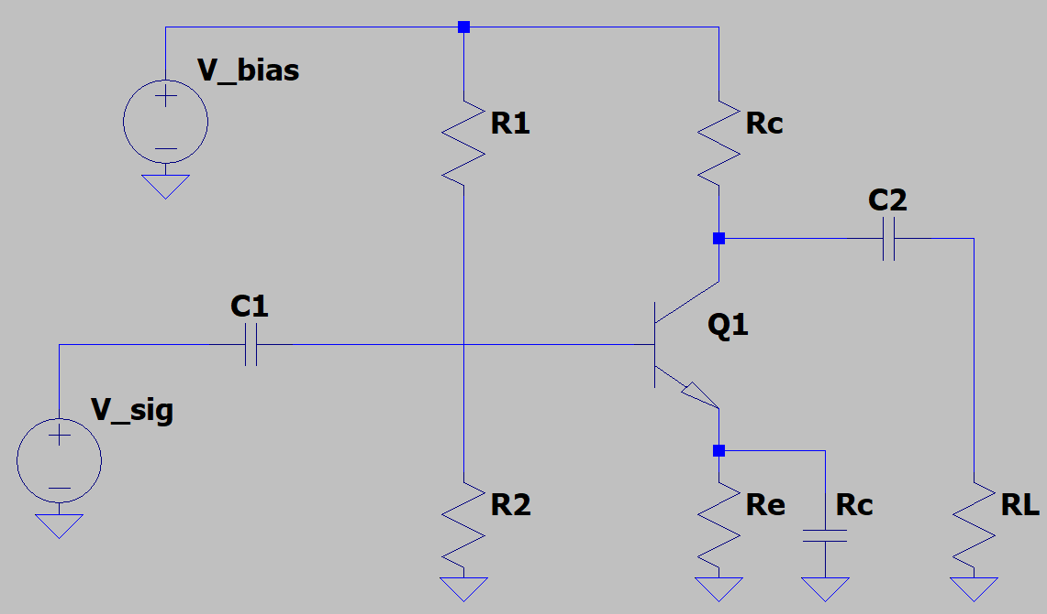
 | V_BR(CEO) | I_CES | I_CBO | I_EBO | h_FE | V_BE
BFR193 | 12.0 | 0.0001 | 1e-07 | 1e-06 | 100 | 0.7

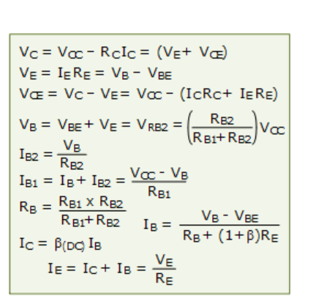
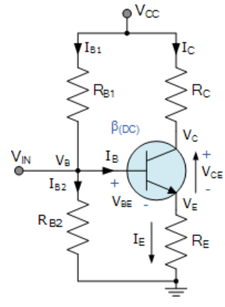
$$V_{R_Load_Min}=V_{C_{2}}−V_{CE_{Min}}−V_{E_{cap}}$$
Amplifier Parameters @ DC
Supply Voltage (V) | DC Operating Point Current (A) | Emitter Resistor Voltage Drop (V) | Emitter Resistor Resistance (Ω) | Minimum Collector-Emitter Voltage (V) | Emitter Bypass-Capacitor Voltage (V) | Output Capacitor Voltage Drop (V) | Static Collector-Emitter Voltage (V) | Collector-Resistor Voltage (V) | Collector Resistor Resistance (Ω) | Base Biasing Resistor 2 (Ω) | 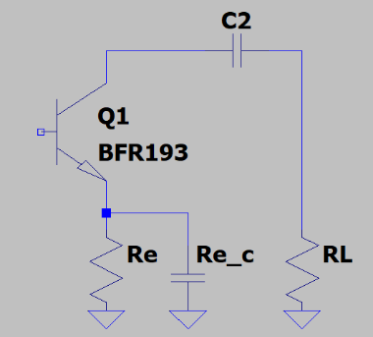
 | I_C | V_RE | RE | Vce_min | V_E_cap | Vc_out | V_CE | V_RC | RC | R2
10.0 | 0.01 | 1.0 | 100 | 1 | 1.0 | 4.6666666667 | 3.6666666667 | 5.3333333333 | 533.3333333333 | 15000

Emitter Voltage (V) | Base Voltage (V) | Collector Voltage (V) | Base Resistor 1 Current (A) | Base Resistor 2 Current (A) | Collector Current (A) | Emitter Current (A) | Base-Emitter Current (A) | Base Biasing Resistor 1 (Ω)
V_E | V_B | V_C | I_R1 | I_R2 | I_C | I_E | I_B | R1
1 | 1.7 | 4.6666666667 | 0.0002133333 | 0.0001133333 | 0.01 | 0.0101 | 0.0001 | 73235.2941176471

Amplifier Parameters @ AC

$$V_{R_Load_Max}=V_{R_Load_Min}$$

$R_{load}=R_{c}$ for max power transfer

